Data of iWSN sensor
↓Keyin the Node ID 1~31 to calculate the address
Node ID of iWSN Sensor
1
 |  | Module name
 |  | 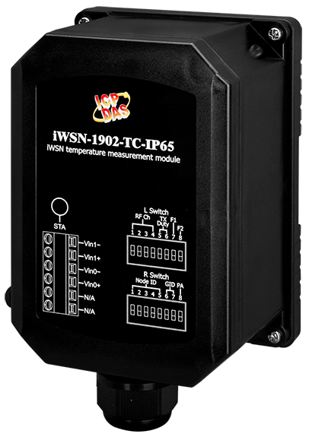 iWSN-3020-TC--BT-IP65
iWSN-200U / iWSN-200R (Base1, Dec) | iWSN-200E (Base1, Dec) | Function code | Property | Data type | Description | Remarks
40322 | 40008 | - | - | - | - | -
40323 | 40009
40324 | 40010
40325 | 40011
40326 | 40012
40327 | 40013
40328 | 40014
40329 | 40015
40330 | 40016
40331 | 40017 | - | - | - | - | -

40332 | 40018 | 03, 04 | R | Uint16 | [High byte] Automatic response time period of iWSN sensor. | (Bit7~Bit6) 00: Bit0~Bit5 mean the unit is second. 01: Bit0~Bit5 mean the unit is minute. 10: Bit0~Bit5 mean the unit is hour. 11: Reserved. (Bit5~Bit0) Refer the unit of Bit7 and Bit6 to define the time scale. Value 1 to 63: Mean 1~63 unit of time. Value 0: Reserved.
 |  |  |  |  | [Low byte] The receiving signal strength of iWSN-2200 series. | The value range is 0~255, the larger the value, the better the signal, and it is recommended to be at least 120 or more.
40333 | 40019 | 03, 04 | R | Uint16 | [High byte] The firmware version of iWSN sensor. | Value ranges 10~255. Ex: value 10 = v1.00, value 254 = v25.40.
 |  |  |  |  | [Low byte] The serial number of wireless package. | [High nibble] Reserved.
 |  |  |  |  |  | [Low nibble] The serial number of the wireless packet, the value range is 0~15.
40334 | 40020 | 03, 04 | R | Uint16 | [High byte] The module code of iWSN sensor. | Value ranges 0~255. Please refer to the worksheet "Sensor Module Code".
 |  |  |  |  | [Low byte] The module code of extension module. | The value range is 0~255. Please refer to the worksheet "Expansion Module Code".
40335 | 40021 | 03, 04 | R | Uint16 | [High byte] The data length of raw data section in the wireless packet. | The value range is 0~48, unit: bytes. Value 0: No wireless packet has been received.
 |  |  |  |  | [Low byte] The percent of battery power. | Value 104 (0x68): 100~41%. Value 103 (0x67): 40 ~ 11%. Value 102 (0x66): 10 ~ 1%. Value 101 (0x65): <1%.
40336 | 40022 | 03, 04 | R | Int16 | The measurement temperature of the K-type thermocouple (TC) of channel 0. | The value range is -32768~32767, and the value divided by 10 is ℃. Which 4 kinds of values represent 4 kinds of states: Value 32767 (0x7FFF): The thermocouple wiring is open. Value 32766 (0x7FFE): Exceeds the upper limit . Value -32768 (0x8000): Lower than the lower limit. The value is equal to the cold junction temperature: the thermocouple wire is short-circuited or the thermocouple and the cold junction reach thermal equilibrium.
40337 | 40023 | 03, 04 | R | Int16 | The measurement temperature of the K-type thermocouple (TC) of channel 1.
40338 | 40024 | 03, 04 | R | Uint16 | Cold junction (CJ) temperature, this is the ambient temperature of the module installation location. | The value divided by 10 is ℃.
40339 | 40025 | - | - | - | - | -
40340 | 40026
40341 | 40027
40342 | 40028
40343 | 40029
40344 | 40030
40345 | 40031
40346 | 40032
40347 | 40033
40348 | 40034
40349 | 40035
40350 | 40036
40351 | 40037
40352 | 40038

40353 | 40039

40354 | 40040

40355 | 40041
40356 | 40042
40357 | 40043

40358 | 40044

40359 | 40045

40360 | 40046
40361 | 40047
40362 | 40048
40363 | 40049
40364 | 40050
40365 | 40051

